Overview
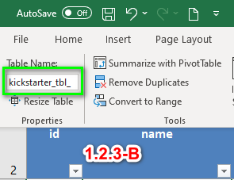
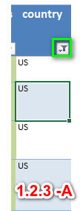
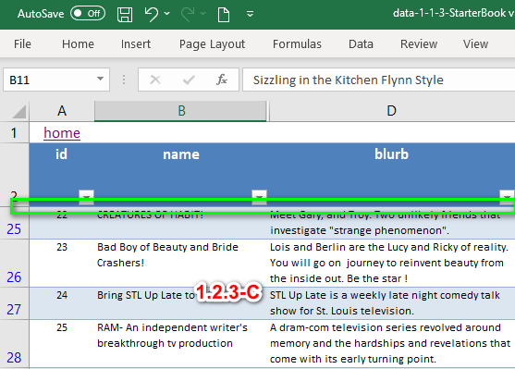

Instructions

1) | use hyplinks to navigate worksheet
2) | use filters to review various datasets (Kickstarter Report)
3) | See Ex.# for screen captures

Module | Ex. # | Comments | Feedback
1.2.1 |  | Data Set imported and loaded
1.2.1 |  | Data Report Output; graphs, calc's, filters
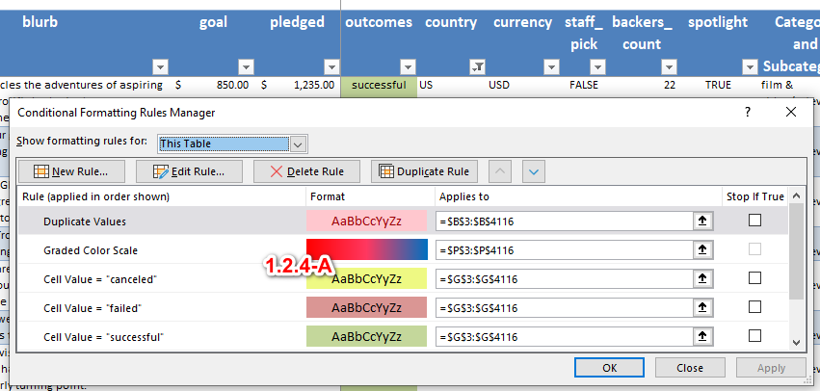
1.2.2 |  | Data types, columns; original data in blue; formula's in black
1.2.2 |  | Unix date's converted
1.2.2 |  | Converted date's broken out by Year, Month, Week, Day for both Deadline and Launch Dates
1.2.3 | 1.2.3-A | Filtered Data Set on "US"; see below screen capture
1.2.3 | 1.2.3-B | Spread Sheet formated in a "Table" structure. Table Object = "kickstarter_tbl_"
1.2.3 | 1.2.3-C | Frozen Panes
1.2.4 | 1.2.4-A | Conditional Formatting
1.2.5 |  | Percentage Column
1.2.5 |  | Conditional Formatting // Value Shading for Percentage Column
1.2.5 |  | Average Donation
1.2.6 | 1.2.6-A | Average Donation // Iferror() statement;
1.3.1 |  | Pivot Tables
1.3.1 |  | Category and Sub-Cats // Column's added (data parsed)
1.3.2 |  | Pivot Charts
1.3.2 |  | Category Graph
1.3.2 |  | SubCategory Graph
1.3.3 |  | Unix date's converted
1.3.3 |  | Line Graph
1.4.1 | 1.4.1-A | Chart Filters // Filters apply to all Pivots and Charts
1.4.2 | 1.4.2-A | Vlookup // Lookup (lookup on index_ is more reliable and flexible than Vlookup)
1.5.1 |  | Dynamically derived calc's based on pivot graph filters - USE CORRECT FILTERS TO EVALUATE RESULTS
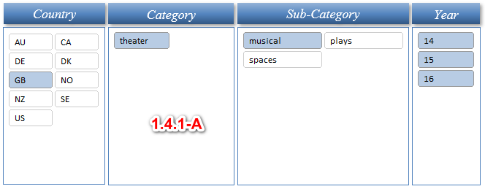
1.5.2 |  | Dynamically derived calc's based on pivot graph filters - USE CORRECT FILTERS TO EVALUATE RESULTS
1.5.4 |  | Box Plot - based on pivot graph filters - USE CORRECT FILTERS TO EVALUATE RESULTS

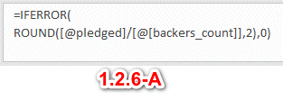

 |  |  |  |  | Parent Category | theater
 |  |  |  |  | l_yy | (All)

 |  |  |  | Outcomes by Launch Date | Count of outcomes | Column Labels
 |  |  |  |  | Row Labels | successful | failed | canceled | Grand Total
 |  |  |  |  | Jan | 56 | 33 | 7 | 96
 |  |  |  |  | Feb | 71 | 39 | 3 | 113
 |  |  |  |  | Mar | 56 | 33 | 3 | 92
 |  |  |  |  | Apr | 71 | 40 | 2 | 113
 |  |  |  |  | May | 111 | 52 | 3 | 166
 |  |  |  |  | Jun | 100 | 49 | 4 | 153
 |  |  |  |  | Jul | 87 | 50 | 1 | 138
 |  |  |  |  | Aug | 72 | 47 | 4 | 123
 |  |  |  |  | Sep | 59 | 34 | 4 | 97
 |  |  |  |  | Oct | 65 | 50 |  | 115
 |  |  |  |  | Nov | 54 | 31 | 3 | 88
 |  |  |  |  | Dec | 37 | 35 | 3 | 75
 |  |  |  |  | Grand Total | 839 | 493 | 37 | 1369

 |  |  |  | Outcomes vs Goals | Count of outcomes | Column Labels
 |  |  |  |  | Row Labels | successful | failed | canceled | Grand Total
 |  |  |  |  | 00 to 01,000 | 71.08% | 24.94% | 3.97% | 100.00%
 |  |  |  |  | 01,000 to 04,999 | 66.61% | 29.14% | 4.24% | 100.00%
 |  |  |  |  | 05,000 to 09,999 | 55.04% | 38.32% | 6.64% | 100.00%
 |  |  |  |  | 10,000 to 14,999 | 47.73% | 40.91% | 11.36% | 100.00%
 |  |  |  |  | 15,000 to 19,999 | 46.77% | 44.78% | 8.46% | 100.00%
 |  |  |  |  | 20,000 to 24,999 | 41.89% | 48.65% | 9.46% | 100.00%
 |  |  |  |  | 25,000 to 29,999 | 40.15% | 46.72% | 13.14% | 100.00%
 |  |  |  |  | 30,000 to 34,999 | 39.02% | 45.12% | 15.85% | 100.00%
 |  |  |  |  | 35,000 to 39,999 | 47.27% | 40.00% | 12.73% | 100.00%
 |  |  |  |  | 40,000 to 44,999 | 48.84% | 37.21% | 13.95% | 100.00%
 |  |  |  |  | 45,000 to 49,999 | 28.57% | 52.38% | 19.05% | 100.00%
 |  |  |  |  | 50,000 to 100,000,000 | 19.37% | 58.11% | 22.52% | 100.00%
 |  |  |  |  | Grand Total | 53.76% | 37.65% | 8.59% | 100.00%

Kickstarter Report
Country
Category
Sub-Category
Year
Goal Category
Outcomes
Parent Category Outcomes
 | successful | failed | canceled
theater | 839 | 493 | 37
SubCategory Outcomes
 | successful | failed | canceled
musical | 60 | 60 | 20
plays | 694 | 353
spaces | 85 | 80 | 17
Outcome vs Goal Categories
 | successful | failed | canceled
00 to 01,000 | 73.95% | 24.65% | 1.40%
01,000 to 04,999 | 71.43% | 27.66% | 0.92%
05,000 to 09,999 | 58.86% | 39.80% | 1.34%
10,000 to 14,999 | 46.30% | 49.07% | 4.63%
15,000 to 19,999 | 41.46% | 43.90% | 14.63%
20,000 to 24,999 | 38.24% | 58.82% | 2.94%
25,000 to 29,999 | 39.29% | 53.57% | 7.14%
30,000 to 34,999 | 26.67% | 60.00% | 13.33%
35,000 to 39,999 | 75.00% | 25.00% | 0.00%
40,000 to 44,999 | 66.67% | 33.33% | 0.00%
45,000 to 49,999 | 33.33% | 66.67% | 0.00%
50,000 to 100,000,000 | 12.12% | 74.24% | 13.64%
Outcomes Based on Launch Date
 | successful | failed | canceled
Jan | 56 | 33 | 7
Feb | 71 | 39 | 3
Mar | 56 | 33 | 3
Apr | 71 | 40 | 2
May | 111 | 52 | 3
Jun | 100 | 49 | 4
Jul | 87 | 50 | 1
Aug | 72 | 47 | 4
Sep | 59 | 34 | 4
Oct | 65 | 50
Nov | 54 | 31 | 3
Dec | 37 | 35 | 3
home
 |  |  |  |  | Successful | Failed
 |  |  | Mean Goal |  | $5,300.42 | $54,246.68
 |  |  | Median Goal |  | $3,000.00 | $3,000.00
 |  | Standard_Deviation Goal |  |  | $10,916.10 | $324,904.20
 |  |  | Upper Quartile |  | $8,000.00 | $8,000.00
 |  |  | Lower Quartile |  | $1,500.00 | $1,500.00
 |  |  | IQR of Goal |  | $6,500.00 | $6,500.00

 |  |  | Mean Pledged |  | $6,097.24 | $879.56
 |  |  | Median Pledged |  | $1,500.00 | $1,500.00
 |  | Standard_Deviation Pledged |  |  | $12,739.40 | $3,059.38
 |  |  | Upper Quartile |  | $3,750.00 | $3,750.00
 |  |  | Lower Quartile |  | $251.00 | $251.00
 |  |  | IQR of Goal |  | $3,499.00 | $3,499.00

 | Name Level Analysis

 |  | select name from drop-down
 | Be Prepared |  |  |  | Help us get actor-writer Ian Bonar's debut play - a hilarious, heartbreaking story of grief and loss - to the 2016 Edinburgh Fringe.
 | Goal: | $2,000.00
 | Pledged: | $2,020.00 | Backers: | 39
 | Outcome: | successful | Avg Donation $52

 | Checkpoint 22 |  |  |  | The play yet to be described as "A surefire Edinburgh Fringe Festival Cult Hit". Coming to the Underbelly, Edinburgh, 5th-30th August.
 | Goal: | $2,000.00
 | Pledged: | $2,020.00 | Backers: | 56
 | Outcome: | successful | Avg Donation $36

 | Cutting Off Kate Bush |  |  |  | Cutting Off Kate Bush is a one-woman show written & performed by Lucy Benson-Brown, premiering at the Edinburgh Fringe Festival 2014
 | Goal: | $1,500.00
 | Pledged: | $2,576.00 | Backers: | 78
 | Outcome: | successful | Avg Donation $33

 | Jestia and Raedon |  |  |  | Jestia and Raedon is a brand new romantic comedy play going to the Edinburgh Fringe Festival this summer.
 | Goal: | $1,000.00
 | Pledged: | $1,168.00 | Backers: | 26
 | Outcome: | successful | Avg Donation $45

 | The Hitchhiker's guide to the Family |  |  |  | A one-man show about love, loss, and motorways, written & performed by Ben Norris. Help us get to the 2015 Edinburgh Fringe and beyond!
 | Goal: | $4,000.00
 | Pledged: | $4,137.00 | Backers: | 113
 | Outcome: | successful | Avg Donation $37

